82 SmartHomeFeatureOfInterest
Source: | http://ontologydesignpatterns.org/wiki/Submissions:SmartHome_FeatureOfInterest

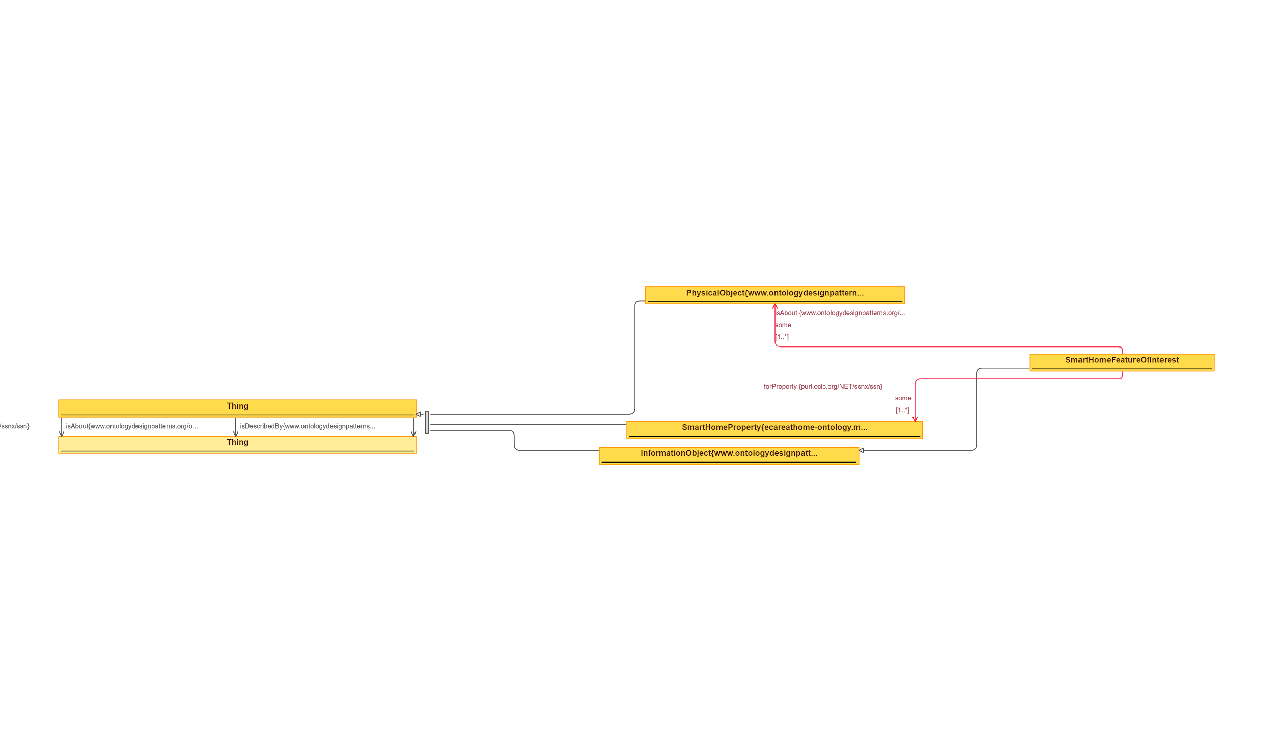
 | Triples |  | IMAGE
Node 1 | Edge | Node 2
SmartHomeFeatureOfInterest | subClassOf | InformationObject
SmartHomeFeatureOfInterest | isAbout | PhysicalObject
SmartHomeFeatureOfInterest | forProperty | SmartHomeProperty
SmartHomeProperty | isPropertyOf | PhysicalObject
SmartHomeProperty | isPropertyOf | PhysicalObject
PhysicalObject | hasProperty | SmartHomeProperty
SmartHomeProperty | subClassOf | Property
Thing | isDescribedBy | Thing

104 TypesOfEntities
Source: | http://ontologydesignpatterns.org/wiki/Submissions:Types_of_entities

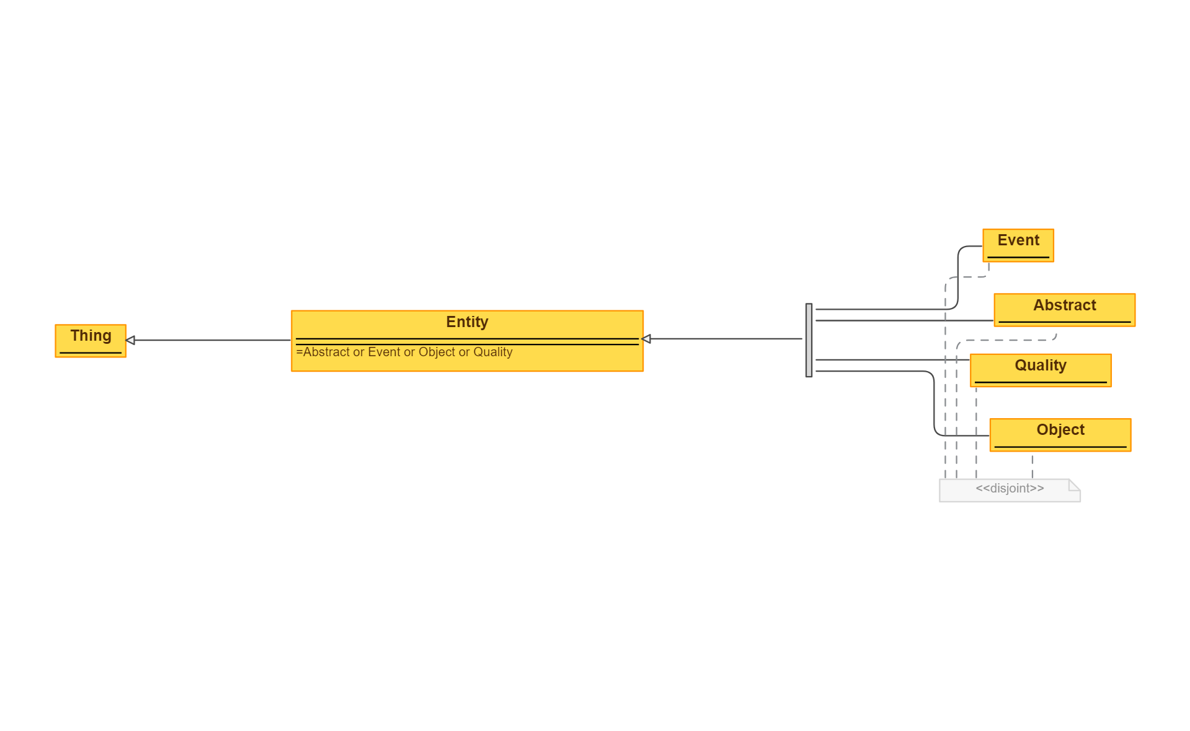
 | Triples |  | IMAGE
Node 1 | Edge | Node 2
Event | subClassOf | Entity
Abstract | subClassOf | Entity
Quality | subClassOf | Entity
Object | subClassOf | Entity
Entity | subClassOf | (Event or Abstract or Quality or Object)

